The project
AboveWay Sandwich - Project

You are a Master Black Belt working with
AboveWay Sandwich, Inc. to improve the franchises' customer satisfaction.
The process is simple.

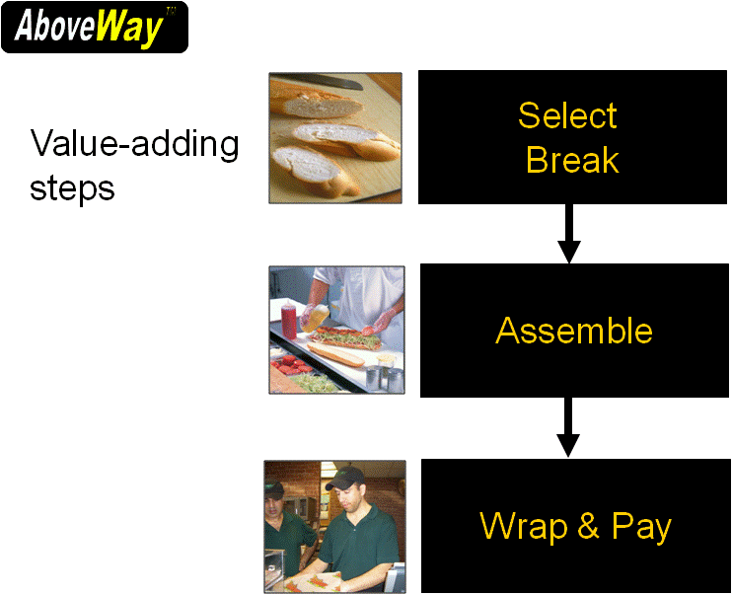
Select Bread

Assemble

Wrap and Pay

Your assignment is to improve customer satisfaction by working with various
Green Belts and Black Belts. To successfully pass the course, you must
complete all of the deliverables (tabs below) to the satisfaction of your instructor.

Excel examples
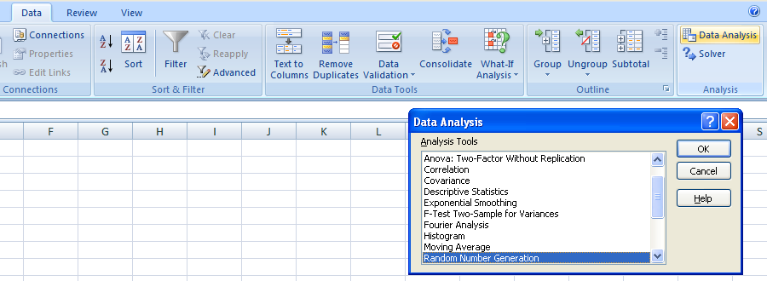
How you can use Excel
This spreadsheet tab provides illustrations of adding the DATA ANALYSIS capability to your Excel software.
If you see Data Analysis already listed under the Tools tab, you are set. If you do not see Data Analysis
follow the instructions in the Green tab. |  | Excel 2003 instructions

 | Excel 2003 or earlier versions of Excel example
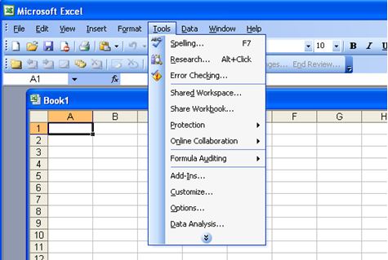

This spreadsheet tab provides illustrations of adding the DATA ANALYSIS capability to your 2007 Excel software.
If you see Data Analysis already listed under the DATA tab, you are set. If you do not see Data Analysis
follow the instructions in the Green tab. |  | Excel 2007 instructions

 | Excel 2007 example

Value Stream Map
We're getting there…
The team has made some major strides as can be seen below, but improvement was still needed, so the team created a Value Stream Map. You do not need to do anything with this spaghetti diagrams below - they are there simply for your entertainment! But, you have to admit, the one on the right is a whole lot more streamlined! (Smile!)

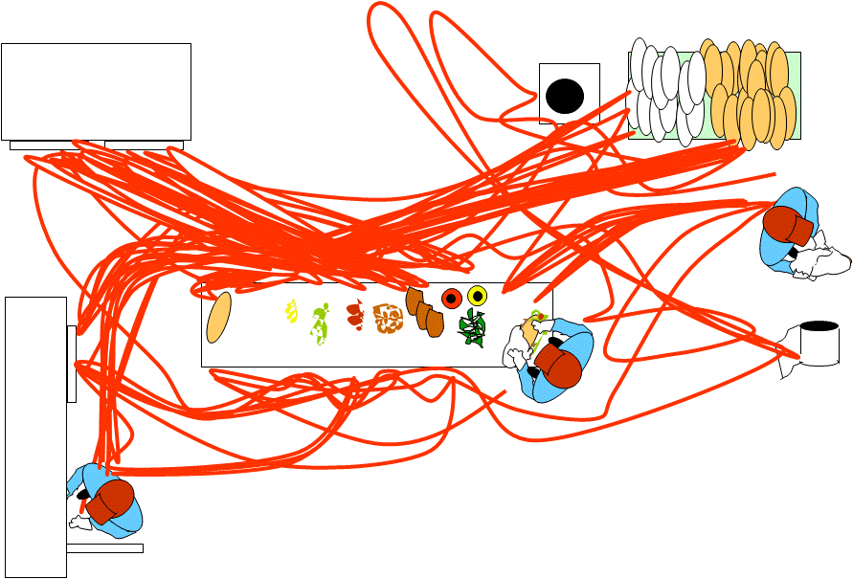
 |  |  | Original spaghetti diagram |  | Spaghetti diagram after realignment

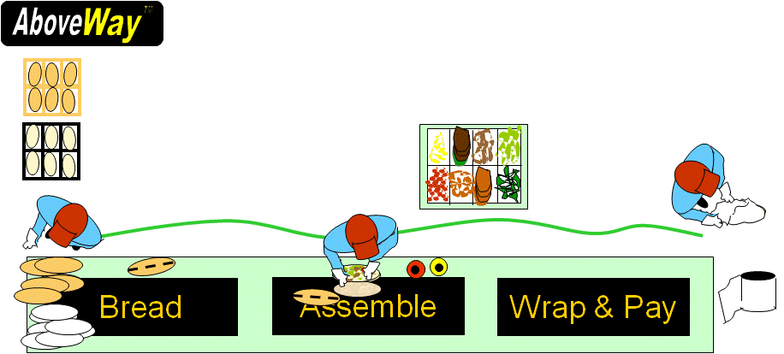

Objective:
s

Instructions for you:
We want to make sure you can analyze a value stream map (VSM). Please refer to the VSM
provided below and answer the following questions.

1. What is the total lead time (min and max values)? |  |  |  |  | Help!
2. What is the total processing time? |  |  |  |  | Help!
3. What is the Process Cycle Efficiency (PCE)? |  |  |  |  | Help!
4. What is the takt time (sec) based on the information provided? |  |  |  |  | Help!

Data:
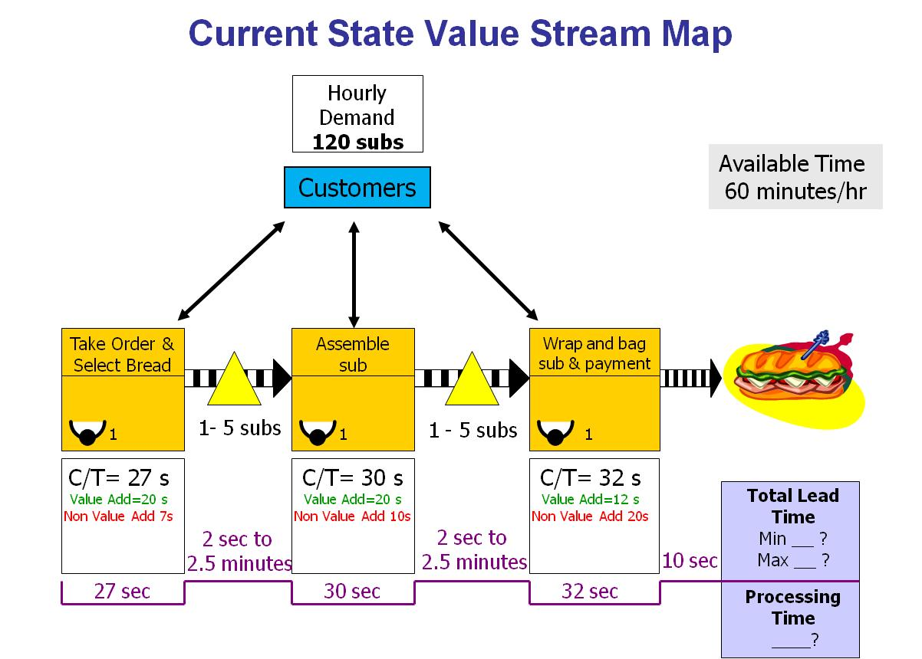

 | AboveWay Sandwich, Inc. Customer Satisfaction Improvement
 | Deliverable: |  |  | Value Stream Map
 | Student last name: |  |  | Your last name here

 | 1a) What is the total lead time (min value)? |  |  |  |  | 103 | Check

 | 1b) What is the total lead time (max value)? |  |  |  |  | 399 | Check

 | 2) What is the total processing time? |  |  |  |  | 89 | Check

 | 3) What is the Process Cycle Efficiency (PCE) for the maximum lead time?
 |  |  |  |  |  | 0.13 | Check

 | 4) What is the takt time (T/T)? |  |  |  |  | 30 | Check

 | 5) Which process step should your Black Belt focus on first to improve the process and why? HINT: There are 2 very good reasons for the correct first step based on VSM philosophy and the calculations made in this study - use them both in your answer!

 |  | Wrap and bag sub & payment. The process has the highest seconds of non-value add time. VSM is based on the elimination of all non-value adding activities, improving efficiency and cost reduction. By focusing on it, ways of reducing the non-value time will be proposed.

